Operational Risks (Update)
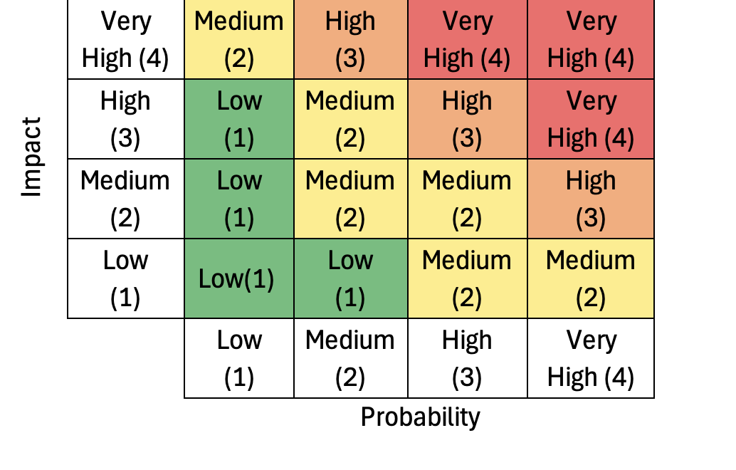
 |  |  | Risk assessment |  |  | Risk treatment
ID | Category | Area | Event | Impact | Probability | Risk Score before treatment | Proposed treatment | Mitigation | Risk owner | Impact after extra controls | Probability after extra controls | Risk score after extra controls
1 | Operationl Risk | Inventory Management | Excess inventory holding costs or stockouts | High | High | 3 | Reduce | Use of ERP-System to track products in stock, expiry dates, etc. | Harry | Medium | Low | 1
2 | Operationl Risk | Supply Chain Management | Stockouts and operational slowdowns | High | Medium | 2 | Reduce | Develop a resilient supply chain strategy that includes multiple suppliers, geographic diversification, and contingency planning for alternative transportation routes. | Cathy | High | Low | 1
3 | Technology Risk | Cyber Security | Damage, or theft of sensitive data | Very High | High | 4 | Reduce | Enhanced security measures, such as implementing multi-factor authentication (MFA), data encryption, and role-based access control (RBAC) | Alice/Cathy | Medium | Low | 1
4 | Technology Risk | Data Managment & Governance | Data inaccuracies, loss, and regulatory non-compliance | Medium | Medium | 2 | Reduce | Strengthening DG and regularly patching systems are recommended to ensure compliance, protect sensitive information, maintain operational continuity | Alice/Cathy | High | Low | 1
5 | Strategic Risk | Market Dependecy | Revenue loss, and vulnerability to market fluctuations or downturns | Very High | High | 4 | Reduce | Enhance resilience with energy-efficient technologies and compliance with data regulations to maintain profitability. | Cathy | Medium | Medium | 2
6 | Strategic Risk | Inefficiencies | Increased costs, and reduced productivity, financial losses and decreased competitiveness | Medium | Medium | 2 | Reduce | Prepare for external risks with flexible pricing, digital transformation incentives, and a disaster recovery plan. | Cathy | Low | Low | 1

Assessment Part 2: Assessment of Potential Digital Transformations
The risks listed below will also materialise if the company decides to address the strategic questions posed by Cathrin (e-commerce and internal supply chains).

 |  |  | Risk assessment |  |  | Risk treatment
ID | Area | Proposed Change | Event | Impact | Probability | Risk Score before treatment | Proposed treatment | Mitigation | Risk owner | Impact after extra controls | Probability after extra controls | Risk score after extra controls
1 | Operational | ERP | CIA Breach | High | Medium | 2 | Reduce | Encryption, MFA, and strong access controls, data validation checks, secure coding practices, patching, data redudency. |  | High | Low | 1
2 | Operational | ERP | CIA Breach | High | Medium | 2 | Reduce | Encryption, MFA, and strong access controls, data validation checks, secure coding practices, patching, data redudency. |  | High | Low | 1
3 | Cyber Security | MFA, RBAC | CIA Breach | High | Medium | 2 | Reduce | Encryption, MFA, and strong access controls, data validation checks, secure coding practices, patching, data redudency. |  | High | Low | 1
4 | Cyber Security | DLP, DAR & DIT Encryption | CIA Breach | High | Medium | 2 | Reduce | Encryption, MFA, and strong access controls, data validation checks, secure coding practices, patching, data redudency. |  | High | Low | 1
5 | Cyber Security | High Availabiliy (HA) Networks | CIA Breach | Medium | Medium | 2 | Reduce | Encryption, MFA, and strong access controls, data validation checks, secure coding practices, patching, data redudency. |  | Medium | Low | 1
6 | Strategic | E-Commerce Platform.ERP, CRM | CIA Breach | High | Medium | 2 | Reduce | Encryption, MFA, and strong access controls, data validation checks, secure coding practices, patching, data redudency. |  | High | Low | 1
7 | Strategic | DLP, Compliance Management Software: | CIA Breach | Medium | Medium | 2 | Reduce | Encryption, MFA, and strong access controls, data validation checks, secure coding practices, patching, data redudency. |  | Medium | Low | 1
8 | Strategic | Business Intelligence (BI) and Analytics, Digital Transformation Incentives | CIA Breach | Medium | Medium | 2 | Reduce | Encryption, MFA, and strong access controls, data validation checks, secure coding practices, patching, data redudency. |  | Medium | Low | 1

